ECA Ball Order Form
Product | Size | Colour | Individual Price | Order Quantity (Minimum 12 Balls) | Total Price |  | Please kindly fill out the information below
Kookaburra Regulation ECA Ball | 156 | RED | $95.85 |  | $0.00 | Club Information
Kookaburra Regulation ECA Ball | 156 | WHITE | $98.85 |  | $0.00 | Club Name:
Kookaburra Club Match ECA Ball | 156 | RED | $80.00 |  | $0.00 | Club Representative:
Kookaburra Senator ECA Ball | 156 | RED | $61.00 |  | $0.00 | Contact Number:
Kookaburra Senator ECA Ball | 156 | PINK | $65.00 |  | $0.00
Kookaburra Tuf Pitch ECA Ball | 156 | RED | $53.95 |  | $0.00 | Delivery Method (in store pick up or delvery):
Kookaburra Special Test ECA Ball | 156 | WHITE | $55.50 |  | $0.00 | Postage Address if requested:
Kookaburra Colt ECA Ball | 156 | RED | $35.50 |  | $0.00 |  | Please note if you elect to post the order, there may be additional freight costs.
Kookaburra Colt ECA Ball | 156 | WHITE | $37.50 |  | $0.00
Kookaburra Colt ECA Ball | 142 | RED | $35.50 |  | $0.00 | If you wish to purchase fewer than 12 balls, please contact the store directly at mentone@kingsgrovesports.com.au or call 03 7051 3777
Kookaburra Colt ECA Ball | 142 | WHITE | $37.50 |  | $0.00
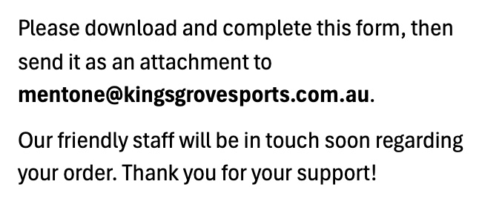
Kookaburra Red King ECA Ball | 156 | PINK | $48.00 |  | $0.00
Kookaburra King ECA Ball | 142 | RED | $29.00 |  | $0.00
Kookaburra Crown EGWC Ball | 142 | WHITE | $33.00 |  | $0.00
Kookaburra Crown EGWC Ball | 142 | PINK | $33.00 |  | $0.00
Kookaburra Meteor ECA Ball | 156 | PINK | $53.00 |  | $0.00
Kookaburra Commander ECA Ball | 142 | RED | $16.00 |  | $0.00
Kookaburra Softaball ECA Ball | 142 | RED | $16.00 |  | $0.00

 |  |  |  | Total Spend | $0.00

