Red Balls
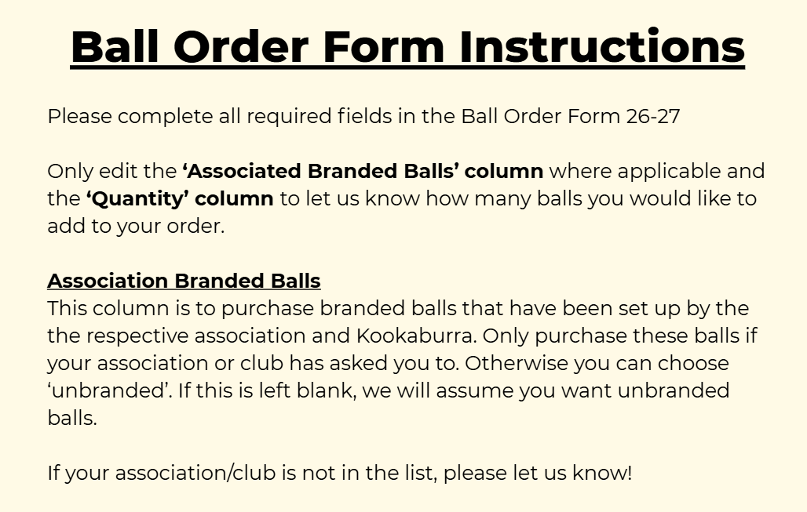
Product |  | Size (g) | Type | Colour | Association Branded Balls | Individual Price | Bulk Quantity | Bulk Price | Quantity | Total Price
LEATHER CRICKET BALLS
 | Kingsport Epic Ball | 142 | 2PC | RED | N/A | $16.00 | 6 | $14.00 |  | $0.00
 | Kingsport Epic Ball | 142 | 2PC | WHITE | N/A | $16.00 | 6 | $14.00 |  | $0.00
 | Kingsport Epic Ball | 142 | 2PC | PINK | N/A | $16.00 | 6 | $14.00 |  | $0.00
 | Kingsport Epic Ball | 142 | 2PC | ORANGE | N/A | $16.00 | 6 | $14.00 |  | $0.00
 | Kingsport Epic Ball | 142 | 2PC | RED/WHITE | N/A | $16.00 | 6 | $14.00 |  | $0.00
 | Kingsport Epic Ball | 156 | 2PC | RED | N/A | $16.00 | 6 | $14.00 |  | $0.00
 | Kingsport Epic Ball | 156 | 2PC | WHITE | N/A | $16.00 | 6 | $14.00 |  | $0.00
 | Kingsport Epic Ball | 156 | 2PC | PINK | N/A | $16.00 | 6 | $14.00 |  | $0.00
 | Kingsport Epic Ball | 156 | 2PC | ORANGE | N/A | $16.00 | 6 | $14.00 |  | $0.00
 | Kingsport Epic Ball | 156 | 2PC | RED/WHITE | N/A | $16.00 | 6 | $14.00 |  | $0.00
 | Kinsport County League Ball | 142 | 2PC | RED | N/A | $21.00 | 6 | $19.00 |  | $0.00
 | Kinsport County League Ball | 142 | 2PC | WHITE | N/A | $21.00 | 6 | $19.00 |  | $0.00
 | Kinsport County League Ball | 142 | 2PC | PINK | N/A | $21.00 | 6 | $19.00 |  | $0.00
 | Kinsport County League Ball | 142 | 2PC | ORANGE | N/A | $21.00 | 6 | $19.00 |  | $0.00
 | Kinsport County League Ball | 142 | 2PC | RED/WHITE | N/A | $21.00 | 6 | $19.00 |  | $0.00
 | Kinsport County League Ball | 156 | 2PC | RED | N/A | $21.00 | 6 | $19.00 |  | $0.00
 | Kinsport County League Ball | 156 | 2PC | WHITE | N/A | $21.00 | 6 | $19.00 |  | $0.00
 | Kinsport County League Ball | 156 | 2PC | PINK | N/A | $21.00 | 6 | $19.00 |  | $0.00
 | Kinsport County League Ball | 156 | 2PC | ORANGE | N/A | $21.00 | 6 | $19.00 |  | $0.00
 | Kinsport County League Ball | 156 | 2PC | RED/WHITE | N/A | $21.00 | 6 | $19.00 |  | $0.00
 | Kookaburra Jaffer Ball | 142 | 2PC | PINK | N/A | $38.00 | 12 | $36.00 |  | $0.00
 | Kookaburra Jaffer Ball | 142 | 2PC | ORANGE | N/A | $38.00 | 12 | $36.00 |  | $0.00 |  | Please kindly fill out the information below
 | Kookaburra Jaffer Ball | 156 | 2PC | PINK | N/A | $38.00 | 12 | $36.00 |  | $0.00 | Club Information
 | Kookaburra Jaffer Ball | 156 | 2PC | ORANGE | N/A | $38.00 | 12 | $36.00 |  | $0.00 | Club Name:
 | Kookaburra Crown Ball | 142 | 2PC | RED |  | $32.00 | 12 | $30.00 |  | $0.00 | Club Representative:
 | Kookaburra Crown Ball | 142 | 2PC | WHITE |  | $34.00 | 12 | $32.00 |  | $0.00 | Contact Number:
 | Kookaburra Crown Ball | 142 | 2PC | RED/WHITE | N/A | $34.00 | 12 | $32.00 |  | $0.00
 | Kookaburra Crown Ball | 142 | 2PC | PINK |  | $36.00 | 12 | $34.00 |  | $0.00 | Delivery Method (in store pick up or delvery):
 | Kookaburra Crown Ball | 156 | 2PC | RED |  | $32.00 | 12 | $30.00 |  | $0.00 | Postage Address if requested:
 | Kookaburra Crown Ball | 156 | 2PC | WHITE |  | $34.00 | 12 | $32.00 |  | $0.00 |  | Please note if you elect to post the order, there may be additional freight costs.
 | Kookaburra Crown Ball | 156 | 2PC | RED/WHITE | N/A | $34.00 | 12 | $32.00 |  | $0.00
 | Kookaburra Crown Ball | 156 | 2PC | PINK |  | $36.00 | 12 | $34.00 |  | $0.00
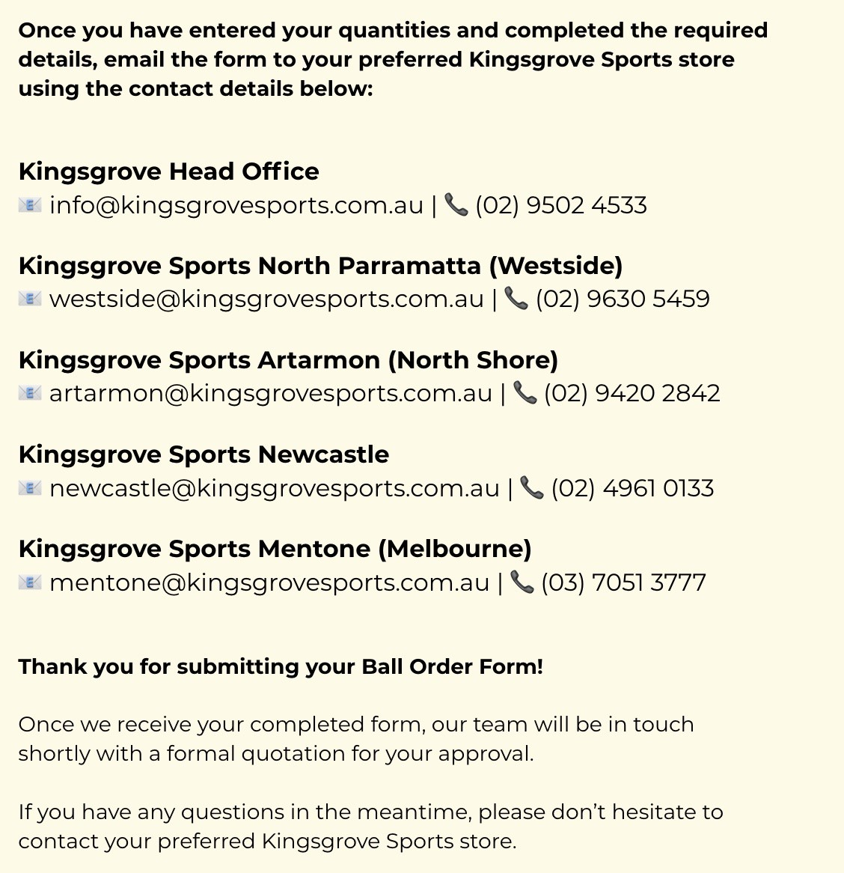
 | Kookaburra Zenith Ball | 142 | 2PC | RED | N/A | $23.00 | 12 | $21.00 |  | $0.00
 | Kookaburra Zenith Ball | 142 | 2PC | WHITE | N/A | $23.00 | 12 | $21.00 |  | $0.00
 | Kookaburra Zenith Ball | 142 | 2PC | PINK | N/A | $23.00 | 12 | $21.00 |  | $0.00
 | Kookaburra Zenith Ball | 142 | 2PC | YELLOW | N/A | $23.00 | 12 | $21.00 |  | $0.00
 | Kookaburra Zenith Ball | 156 | 2PC | RED | N/A | $23.00 | 12 | $21.00 |  | $0.00
 | Kookaburra Zenith Ball | 156 | 2PC | WHITE | N/A | $23.00 | 12 | $21.00 |  | $0.00
 | Kookaburra Zenith Ball | 156 | 2PC | PINK | N/A | $23.00 | 12 | $21.00 |  | $0.00
 | Kookaburra Zenith Ball | 156 | 2PC | YELLOW | N/A | $23.00 | 12 | $21.00 |  | $0.00
 | Kookaburra Practice Ball | 142 | 2PC | RED | N/A | $31.00 | 12 | $29.50 |  | $0.00
 | Kookaburra Practice Ball | 142 | 2PC | WHITE | N/A | $33.00 | 12 | $31.50 |  | $0.00
 | Kookaburra Practice Ball | 156 | 2PC | RED | N/A | $31.00 | 12 | $29.50 |  | $0.00
 | Kookaburra Practice Ball | 156 | 2PC | WHITE | N/A | $33.00 | 12 | $31.50 |  | $0.00
 | Kookaburra Colt Ball | 142 | 2PC | RED |  | $39.00 | 12 | $36.75 |  | $0.00
 | Kookaburra Colt Ball | 142 | 2PC | WHITE |  | $41.00 | 12 | $38.75 |  | $0.00
 | Kookaburra Colt Ball | 156 | 2PC | RED |  | $39.00 | 12 | $36.75 |  | $0.00
 | Kookaburra Colt Ball | 156 | 2PC | WHITE |  | $41.00 | 12 | $38.75 |  | $0.00
 | Kookaburra Special Test | 142 | 2PC | RED |  | $58.00 | 12 | $55.00 |  | $0.00
 | Kookaburra Special Test | 142 | 2PC | WHITE |  | $60.00 | 12 | $57.00 |  | $0.00
 | Kookaburra Special Test | 156 | 2PC | RED |  | $58.00 | 12 | $55.00 |  | $0.00
 | Kookaburra Special Test | 156 | 2PC | WHITE |  | $60.00 | 12 | $57.00 |  | $0.00
 | Kookaburra Red King | 142 | 2PC | RED |  | $48.00 | 12 | $45.25 |  | $0.00
 | Kookaburra Red King | 142 | 2PC | WHITE |  | $50.00 | 12 | $47.25 |  | $0.00
 | Kookaburra Red King | 142 | 2PC | RED/WHITE | N/A | $50.00 | 12 | $47.25 |  | $0.00
 | Kookaburra Red King | 156 | 2PC | RED |  | $48.00 | 12 | $45.25 |  | $0.00
 | Kookaburra Red King | 156 | 2PC | WHITE |  | $50.00 | 12 | $47.25 |  | $0.00
 | Kookaburra Red King | 156 | 2PC | RED/WHITE | N/A | $50.00 | 12 | $47.25 |  | $0.00
 | Kookaburra Tuf Pitch Ball | 156 | 2PC | RED |  | $59.00 | 12 | $55.50 |  | $0.00
 | Kookaburra Renown Ball | 156 | 4PC | RED | N/A | $47.00 | 12 | $44.00 |  | $0.00
 | Kookaburra Renown Ball | 156 | 4PC | WHITE | N/A | $50.00 | 12 | $47.00 |  | $0.00
 | Kookaburra Club Match Ball | 142 | 4PC | RED |  | $87.00 | 12 | $82.50 |  | $0.00
 | Kookaburra Club Match Ball | 142 | 4PC | WHITE |  | $89.00 | 12 | $84.50 |  | $0.00
 | Kookaburra Club Match Ball | 142 | 4PC | RED/WHITE | N/A | $89.00 | 12 | $84.50 |  | $0.00
 | Kookaburra Club Match Ball | 142 | 4PC | PINK |  | $91.00 | 12 | $86.50 |  | $0.00
 | Kookaburra Club Match Ball | 156 | 4PC | RED |  | $87.00 | 12 | $82.50 |  | $0.00
 | Kookaburra Club Match Ball | 156 | 4PC | WHITE |  | $89.00 | 12 | $84.50 |  | $0.00
 | Kookaburra Club Match Ball | 156 | 4PC | RED/WHITE | N/A | $89.00 | 12 | $84.50 |  | $0.00
 | Kookaburra Club Match Ball | 156 | 4PC | PINK |  | $91.00 | 12 | $86.50 |  | $0.00
 | Kookaburra Senator Ball | 142 | 4PC | RED |  | $66.00 | 12 | $62.50 |  | $0.00
 | Kookaburra Senator Ball | 142 | 4PC | WHITE |  | $68.00 | 12 | $64.50 |  | $0.00
 | Kookaburra Senator Ball | 142 | 4PC | PINK |  | $70.00 | 12 | $66.50 |  | $0.00
 | Kookaburra Senator Ball | 156 | 4PC | RED |  | $66.00 | 12 | $62.50 |  | $0.00
 | Kookaburra Senator Ball | 156 | 4PC | WHITE |  | $68.00 | 12 | $64.50 |  | $0.00
 | Kookaburra Senator Ball | 156 | 4PC | PINK |  | $70.00 | 12 | $66.50 |  | $0.00
 | Kookaburra Regulation Reject Ball | 142 | 4PC | RED | N/A | $67.00 | 12 | $61.00 |  | $0.00
 | Kookaburra Regulation Reject Ball | 142 | 4PC | WHITE | N/A | $67.00 | 12 | $61.00 |  | $0.00
 | Kookaburra Regulation Reject Ball | 156 | 4PC | RED | N/A | $67.00 | 12 | $61.00 |  | $0.00
 | Kookaburra Regulation Reject Ball | 156 | 4PC | WHITE | N/A | $67.00 | 12 | $61.00 |  | $0.00
 | Kookaburra Regulation Ball | 142 | 4PC | RED |  | $104.00 | 12 | $98.50 |  | $0.00
 | Kookaburra Regulation Ball | 142 | 4PC | WHITE |  | $106.00 | 12 | $100.50 |  | $0.00
 | Kookaburra Regulation Ball | 142 | 4PC | PINK |  | $108.00 | 12 | $102.50 |  | $0.00
 | Kookaburra Regulation Ball | 156 | 4PC | RED |  | $104.00 | 12 | $98.50 |  | $0.00
 | Kookaburra Regulation Ball | 156 | 4PC | WHITE |  | $106.00 | 12 | $100.50 |  | $0.00
 | Kookaburra Regulation Ball | 156 | 4PC | PINK |  | $108.00 | 12 | $102.50 |  | $0.00
 | Kookaburra Turf Ball | 156 | 4PC | RED | N/A | $155.00 | 12 | $148.00 |  | $0.00
 | Kookaburra Turf Ball | 156 | 4PC | WHITE | N/A | $158.00 | 12 | $151.00 |  | $0.00
 | Kookaburra Turf Ball | 156 | 4PC | PINK | N/A | $159.00 | 12 | $152.00 |  | $0.00
 | Kookaburra Turf Reject Ball | 156 | 4PC | RED | N/A | $128.00 | 12 | $121.00 |  | $0.00
 | Kookaburra Turf Reject Ball | 156 | 4PC | WHITE | N/A | $131.00 | 12 | $124.00 |  | $0.00
PVC CRICKET BALLS
 | Kingsport Pro PVC Soft Ball | Junior |  | RED | N/A | $10.00 | 6 | $8.00 |  | $0.00
 | Kingsport Pro PVC Soft Ball | Junior |  | PINK | N/A | $10.00 | 6 | $8.00 |  | $0.00
 | Kingsport Pro PVC Soft Ball | Junior |  | RED/WHITE | N/A | $10.00 | 6 | $8.00 |  | $0.00
 | Kingsport Pro PVC Soft Ball | Junior |  | ORANGE | N/A | $10.00 | 6 | $8.00 |  | $0.00
 | Kingsport Pro PVC Soft Ball | Senior |  | RED | N/A | $10.00 | 6 | $8.00 |  | $0.00
 | Kingsport Pro PVC Soft Ball | Senior |  | PINK | N/A | $10.00 | 6 | $8.00 |  | $0.00
 | Kingsport Pro PVC Soft Ball | Senior |  | RED/WHITE | N/A | $10.00 | 6 | $8.00 |  | $0.00
 | Kingsport Pro PVC Soft Ball | Senior |  | ORANGE | N/A | $10.00 | 6 | $8.00 |  | $0.00
 | Aero Safety Match/Club Ball | Junior |  | RED | N/A | $12.00 | 12 | $10.00 |  | $0.00
 | Aero Safety Match/Club Ball | Senior |  | RED | N/A | $12.00 | 12 | $10.00 |  | $0.00
 | Gray Nicolls Wonderball | Junior |  | RED | N/A | $13.00 | 6 | $11.00 |  | $0.00
 | Gray Nicolls Wonderball | Senior |  | RED | N/A | $13.00 | 6 | $11.00 |  | $0.00
 | Gray Nicolls Match Play Ball | Junior |  | RED | N/A | $18.00 | 6 | $16.00 |  | $0.00
 | Gray Nicolls Match Play Ball | Senior |  | RED | N/A | $18.00 | 6 | $16.00 |  | $0.00
 | Kookaburra Commander Ball | Junior |  | RED |  | $19.00 | 12 | $17.00 |  | $0.00
 | Kookaburra Commander Ball | Senior |  | RED |  | $19.00 | 12 | $17.00 |  | $0.00
 | Kookaburra Softa Ball | Junior |  | RED |  | $18.00 | 12 | $16.00 |  | $0.00
 | Kookaburra Softa Ball | Senior |  | RED |  | $18.00 | 12 | $16.00 |  | $0.00
 | Kookaburra Star Ball | Junior |  | RED | N/A | $13.00 | 12 | $11.50 |  | $0.00
 | Kookaburra Star Ball | Junior |  | WHITE | N/A | $13.00 | 12 | $11.50 |  | $0.00
 | Kookaburra Star Ball | Junior |  | PINK | N/A | $13.00 | 12 | $11.50 |  | $0.00
 | Kookaburra Super Softa Ball | Junior |  | RED | N/A | $12.00 | 12 | $10.00 |  | $0.00
 | Kookaburra Super Softa Ball | Junior |  | WHITE | N/A | $12.00 | 12 | $10.00 |  | $0.00
 | Kookaburra Super Softa Ball | Junior |  | PINK | N/A | $12.00 | 12 | $10.00 |  | $0.00
 | Kookaburra Super Softa Ball | Junior |  | RED/WHITE | N/A | $12.00 | 12 | $10.00 |  | $0.00
 | Kookaburra Super Softa Ball | Senior |  | RED | N/A | $12.00 | 12 | $10.00 |  | $0.00
 | Kookaburra Super Softa Ball | Senior |  | WHITE | N/A | $12.00 | 12 | $10.00 |  | $0.00
 | Kookaburra Super Softa Ball | Senior |  | PINK | N/A | $12.00 | 12 | $10.00 |  | $0.00
 | Kookaburra Super Softa Ball | Senior |  | RED/WHITE | N/A | $12.00 | 12 | $10.00 |  | $0.00
OTHER TRAINING BALLS (MACHINE, SOFT CENTRE, SUPER COACH)
 | Swinga Bowling Machine Ball | 146g |  | YELLOW | Great for practicing against swing bowling. | $20.00 | No Bulk Price |  |  | $0.00
 | Swinga Bowling Machine Ball | 146g |  | RED |  | $20.00 | No Bulk Price |  |  | $0.00
 | Kookaburra Bowling Machine Ball |  |  | YELLOW |  | $10.00 | No Bulk Price |  |  | $0.00
 | Kookaburra Bowling Machine Ball |  |  | RED |  | $10.00 | No Bulk Price |  |  | $0.00
 | Kookaburra Bowling Machine Ball |  |  | ORANGE |  | $10.00 | No Bulk Price |  |  | $0.00
 | Kookaburra Bowling Machine Ball |  |  | PINK |  | $10.00 | No Bulk Price |  |  | $0.00
 | Jugs Bowling Machine Ball |  |  | YELLOW |  | $16.00 | No Bulk Price |  |  | $0.00
 | Paceman Original Light Ball (1 Dozen) |  |  | YELLOW | Specialy designed light bowling machine ball Works in all paceman bowling machines | $70.00 | No Bulk Price |  |  | $0.00
 | Paceman Reg Hard Ball (1 Dozen) |  |  | YELLOW | Suitable for use with the Edge 245 Machine | $100.00 | No Bulk Price |  |  | $0.00
 | Paceman LTD Performance Ball (1 Dozen) |  |  | WHITE | Paceman Limited Edition Performance | $70.00 | No Bulk Price |  |  | $0.00
 | Paceman KPH+ Senior Balls (1 Dozen) |  |  | RED | Harder composition, but lightweight. Suitable in the XT 195, Edge 245 and 525 Express Machine | $100.00 | No Bulk Price |  |  | $0.00
 | Paceman Ultra V Light Ball (1 Dozen) |  |  | FLURO GREEN | Softer Compound - For use with all paceman machines | $70.00 | No Bulk Price |  |  | $0.00
 | Paceman Lightening Ball (1 Dozen) |  |  | FLURO PINK | High speed compound, lightening fast For use with all paceman machines | $70.00 | No Bulk Price |  |  | $0.00

 |  |  |  |  |  |  |  |  | Total | $0.00

